Sheet1
G | T1 | T2 | T3 | lin | quad | between
1 | 2 | 3 | 4 | 1.4142 | 0.0000 | 5.1962
1 | 2 | 4 | 5 | 2.1213 | -0.4082 | 6.3509
1 | 4 | 5 | 8 | 2.8284 | 0.8165 | 9.8150
1 | 3 | 4 | 5 | 1.4142 | 0.0000 | 6.9282
2 | 4 | 6 | 9 | 3.5355 | 0.4082 | 10.9697
2 | 5 | 9 | 12 | 4.9497 | -0.4082 | 15.0111
2 | 4 | 6 | 7 | 2.1213 | -0.4082 | 9.8150
2 | 5 | 8 | 13 | 5.6569 | 0.8165 | 15.0111
3 | 1 | 8 | 16 | 10.6066 | 0.4082 | 14.4338
3 | 2 | 6 | 17 | 10.6066 | 2.8577 | 14.4338
3 | 4 | 6 | 12 | 5.6569 | 1.6330 | 12.7017
3 | 5 | 8 | 16 | 7.7782 | 2.0412 | 16.7432

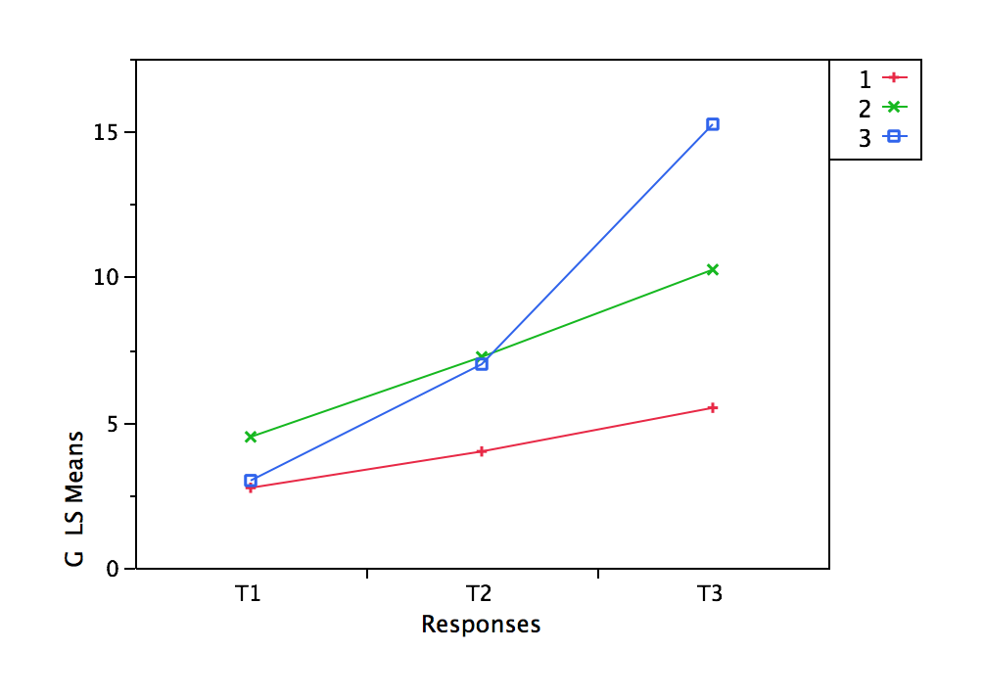
Mean | 3.4167 | 6.0833 | 10.3333 | 4.8908 | 0.6464 | 11.4508
Mean 1 | 2.7500 | 4.0000 | 5.5000 | 1.9445 | 0.1021 | 7.0725
Mean 2 | 4.5000 | 7.2500 | 10.2500 | 4.0659 | 0.1021 | 12.7017
Mean 3 | 3.0000 | 7.0000 | 15.2500 | 8.6621 | 1.7351 | 14.5781
SSE 1 | 2.7500 | 2.0000 | 9.0000 | 1.3750 | 0.7917 | 11.5833
SSE 2 | 1.0000 | 6.7500 | 22.7500 | 7.3750 | 1.1250 | 22.0000
SSE 3 | 10.0000 | 4.0000 | 14.7500 | 17.3750 | 3.1250 | 8.2500
SSE | 13.7500 | 12.7500 | 46.5000 | 26.1250 | 5.0417 | 41.8333
MSE | 1.5278 | 1.4167 | 5.1667 | 2.9028 | 0.5602 | 4.6481

Groups |  |  |  |  | sum of ai^2
 | Lin | -1 | 0 | 1 | 2
 | Quad | 1 | -2 | 1 | 6
 | between | 1 | 1 | 1 | 3

 | Lin | -0.7071 | 0.0000 | 0.7071 |  | SPSS Syntax
 | Quad | 0.4082 | -0.8165 | 0.4082 |  | GLM T1 T2 T3 BY G
 | between | 0.5774 | 0.5774 | 0.5774 |  | /WSFACTOR=factor1 3 Polynomial
 |  |  |  |  |  | /CONTRAST(G)=Polynomial
Between | Lin | Quad | G |  |  | /METHOD=SSTYPE(3)
L | 5.3072 | -1.5321 |  |  |  | /CRITERIA=ALPHA(.05)
SSQ | 112.6667 | 9.3889 | 122.0556 |  |  | /WSDESIGN=factor1
MS | 112.6667 | 9.3889 | 61.0278 |  |  | /DESIGN=G.
F | 24.2390 | 2.0199 | 13.1295

Within

Trials | Lin | Quad | Trials |  | Intercept
L | 4.8908 | 0.6464
SSQ | 287.0417 | 5.0139 | 292.0556 |  | Test | Value | Exact F | NumDF | DenDF | Prob>F
MS | 287.0417 | 5.0139 | 146.0278 |  | F Test | 11.219699 | 44.8788 | 2 | 8 | <.0001
F | 98.8852 | 8.9504 | 84.3369 |  | Univar unadj Epsilon= | 1 | 84.3369 | 2 | 18 | <.0001

Group x Trial
 | G(L) x T(L) | G(Q) x T(L) | G(L) x T(Q) | G(Q) x T(Q) | G(L) x T | G(Q) x T | G x T | G x T(L) | G x T(Q)
L | 4.7500 | 1.0104 | 1.1547 | 0.6667
SSQ | 90.2500 | 4.0833 | 5.3333 | 1.7778 | 95.5833 | 5.8611 | 101.4444 | 94.3333 | 7.1111
MS | 90.2500 | 4.0833 | 5.3333 | 1.7778 | 47.7917 | 2.9306 | 25.3611 | 47.1667 | 3.5556
F | 31.0909 | 1.4067 | 9.5207 | 3.1736 | 27.6016 | 1.6925 | 14.6471 | 16.2488 | 6.3471

JMP
G | G x T

Test | Value | Approx. F | NumDF | DenDF | Prob>F
Wilks' Lambda | 0.1679316 | 5.761 | 4 | 16 | 0.0046
Univar unadj Epsilon= | 1 | 14.6471 | 4 | 18 | <.0001

Contrast | G(L) x T

Test Detail
1 | -1
2 | 0
3 | 1

Test | Value | Exact F | NumDF | DenDF | Prob>F
F Test | 4.0104606 | 16.0418 | 2 | 8 | 0.0016
Univar unadj Epsilon= | 1 | 27.6016 | 2 | 18 | <.0001

Contrast | G(Q) x T
Test Detail

1 | 0.5
2 | -1
3 | 0.5

Test | Value | Exact F | NumDF | DenDF | Prob>F
F Test | 0.4461293 | 1.7845 | 2 | 8 | 0.2287
Univar unadj Epsilon= | 1 | 1.6925 | 2 | 18 | 0.2121

